How To
How to create a spinner chart using Excel 2010
Step | Instruction
1 | Put the data in a spreadsheet tab labeled "data". In the example, the All Family WPR is shown for the 50 States and DC for years 2000 through 2010
2 | Create a spreadsheet tab labeled "lookup". Note that there are two variables in the data table (Year and State)
3 | In the "lookup" worksheet, label cell A1 as "Year" and label cell E1 as State
4 | In the "lookup" worksheet, label cell C1 as "Year Code" and label cell G1 and "State Code"
5 | In the "lookup" worksheet, enter 1 through 11 in the rows under "Year Code" and in column D, next to numbers 1 through 11, enter years "2000" through "2010". These will be in rows 2 through 12.
6 | Use the "name" function to name cells C1 through D12 as "Year_Code"
7 | In the "lookup" worksheet, enter the numbers 1 through 51 in rows 2 through 52 under "State Code". In column H, rows 2 through 52, enter (or copy) the names of the States.
8 | Use the "name" function" to name cells G1 through H52 as "State_Code"
9 | Create a spreadsheet tab, "Chart"
10 | Click on the "File" button, then click on "Options" and then click on "Customize Ribbon". There is a box labeled "Developer" and the default value is for this to be unchecked. Put a check mark in the box and then click "OK". This will add a "Developer" tab to your Excel toolbar.
11 | Open the Developer tab and click on the "Insert" option. This opens a drop down menu of Forms Controls. Click on the "Spinner" tool which is the 4th tool on the first row and looks like the figure here ->
12 | Put spinner form controls in columns B and D of the Chart worksheet as shown in the example.
13 | Right click on the spinner controls in column B and go to the tab labeled "Control". In the "Cell Link" area, click on the link to the spreadsheets and select worksheet tab "Lookup" and cell B1. Make the cell absolute using the F4 key. Adjust values in the "Minimum Value", "Maximum Value" and "Incremental Change" fields as shown. | 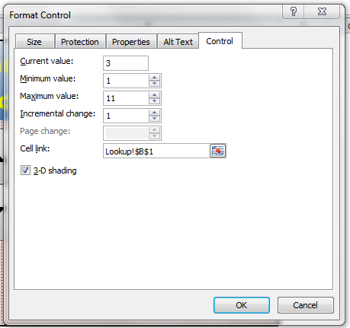
14 | Right click on the spinner controls in column D and go to the tab labeled "Control". In the "Cell Link" area, click on the link to the spreadsheets and select worksheet tab "Lookup" and cell F1. Make the cell absolute ($F$1) using the F4 key. Adjust values in the "Minimum Value", "Maximum Value" and "Incremental Change" fields as shown. | 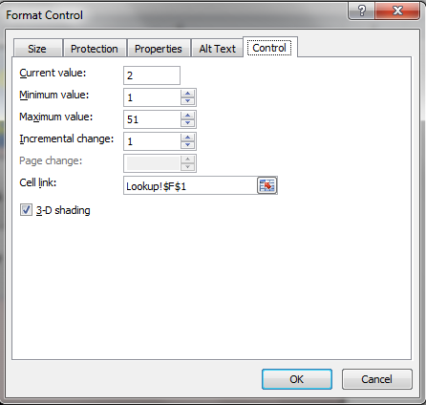
15 | In the "Chart" worksheet, in the cell next to the spinner, enter "=VLOOKUP(Lookup!B1, Year_Code,2)". The function looks up the year indicated by the spinner.
16 | In the "Chart" worksheet, in the cell next to the second spinner enter "=VLOOKUP(Lookup!F1,State_Code,2)". This selects the state.
17 | In the "Chart" worksheet, in the cell below the state (cell E6 in the example) enter, "=OFFSET(Data!$A$1,Lookup!$F$1,Lookup!$B$1)". This function puts the correct WPR entry in the Chart.
18 | Adjust the row and colum sizes and adjust the cell formatting and labeling to make the Chart more presentable.
19 | You can hide the Lookup and Data worksheets so that only the Chart worksheet is visible.

